Thermistor Schmitt Trigger
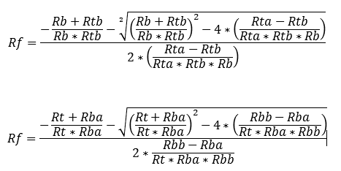
Don't use this one |  | Thermistor on top
 | Vcc | 3.3
 | Rta (High Temp) | 2000
 | Rtb (Low Temp) | 4500
 | Rb | 2000
 | Rf | 6336.308
 | Vref | 1.425091

Use this one |  | Thermistor on bottom
 | Vcc | 3.3
 | Rt | 2000
 | Rba (Low Temp) | 4500 | 53.5
 | Rbb (High Temp) | 2000 | 76.4
 | Vref Rb | 2000
 | Vref Rt | 1520
 | Rf | 6336
 | Vref | 1.875

188500 | -40
144300 | -35
111300 | -30
86560 | -25
67790 | -20
53460 | -15
42450 | -10
33930 | -5
27280 | 0
22070 | 5
17960 | 10
14700 | 15
12090 | 20
10000 | 25
8312 | 30
6942 | 35
5826 | 40
4911 | 45
4158 | 50
3536 | 55
3019 | 60
2588 | 65
2227 | 70
1924 | 75
1668 | 80
1451 | 85
1267 | 90
1110 | 95
975 | 100
860 | 105
760 | 110
674 | 115
599 | 120
534 | 125

